Sheet1
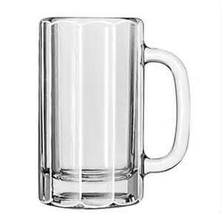
Lower Mug | -20 | Current Level | 109 | <=Just Change this
Upper Mug | 101
Position Beer | 0
Position Beer | 0
Current Beer Level | 100
Position Beer | 0
Beer Foam | 9

