Original Chart
Soccer Mainstays Most Appearances among active players on US women's national soccer team
 | Appearance | Bar | 1/2 Moon | Soccer Ball
Christie Rampone | 298 | 258 | 20 | 20
Abby Wambach | 225 | 185 | 20 | 20
Heather O'Reilly | 209 | 169 | 20 | 20
Carli Lloyd | 178 | 138 | 20 | 20

Instructions and Let Me Try
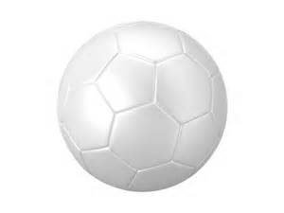
 | Appearances
Christie Rampone | 298
Abby Wambach | 225
Heather O'Reilly | 209
Carli Lloyd | 178

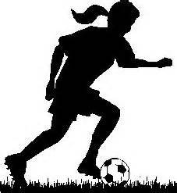

 |  | 1) Build Chart Data Range
 |  | 2) Create Rectangle and Circle
 |  | 3) Copy to Powerpoint and Remove Shape
 |  | 4) Insert Soccer Ball Picture and Crop Soccer Ball
 |  | 5) Remove Background of Soccer Player
 |  | 6) Create Stacked Bar Chart
 |  | 7) Replace Fill Series with semi circle block
 |  | 8) Repalce Soccer Ball Fill Series
 |  | 9) Paste Soccer Player into Chart
 |  | 10) Change Bar Series Fill Colors
 |  | 11) Insert Labels on Soccer Ball Series
 |  | 12) Add Chart Title

