Sheet1
 |  | s | 1 | 4 | 8 | Can you remove the white space from the columns and replicate this chart?
16k | ref | 328.28 |  |  |  |  | For the solution, go to the website and search for:
 | 8 |  | 330.33 | 173.6 | 168 |  |  | "Remove Excel Chart whitespace from empty or zero columns (Part 1)"
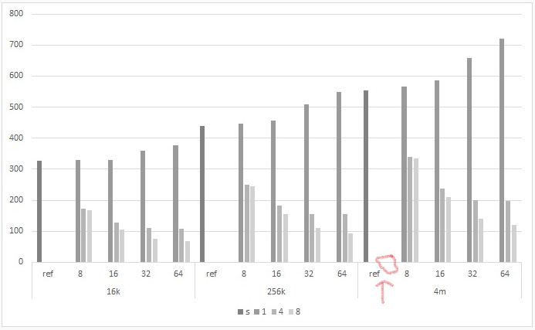
 | 16 |  | 329.35 | 128.79 | 104.87
 | 32 |  | 359.85 | 109.87 | 75.37
 | 64 |  | 376.94 | 108.65 | 67.72
256k | ref | 439.44
 | 8 |  | 446.86 | 250.14 | 244.29
 | 16 |  | 457.7 | 183.56 | 155.98
 | 32 |  | 509.38 | 155.3 | 109.77
 | 64 |  | 549.9 | 154.2 | 93.99
4m | ref | 553.6
 | 8 |  | 566.84 | 340.23 | 334.43
 | 16 |  | 585.2 | 237.53 | 209.97
 | 32 |  | 658.24 | 199.3 | 140.48
 | 64 |  | 720.2 | 198.69 | 120.3

