First Time Changed Higher
Only First Time Find 1
0
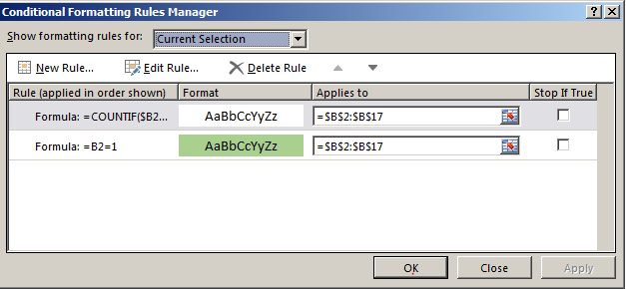
0 | 0
0 | 0
1 | 0
0 | 0
1 | 0
1 | 1
0 | 0
1 | 1
1 | 1
0 | 0
1 | 1
1 | 1
1 | 1
1 | 1
1 | 1
1 | 1

Must format each column separately

Anytime Changed Higher
When the number changed higher
Time | BS1 | BS2 | BS3 | LTE
0 | 1 | 0 | 0 | 0
573 | 1 | 0 | 1 | 0 | 1. Select B3:E17 - (do not select the first row of data)
599 | 1 | 0 | 1 | 1 | 2. Click Conditional Formating on Home tab
600 | 0 | 0 | 1 | 0 | 3. Type formula: =(B3>B2)
601 | 1 | 0 | 6 | 1 | 4. OK
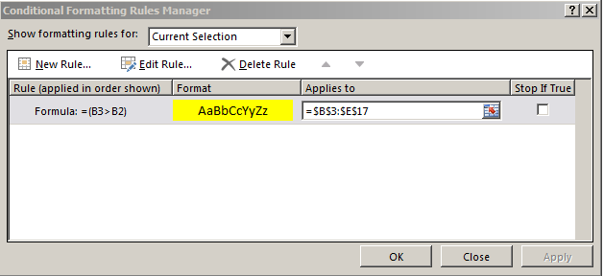
602 | 1 | 0 | 6 | 1
603 | 0 | 0 | 6 | 0
604 | 1 | 1 | 1 | 1
605 | 1 | 0 | 1 | 1
606 | 1 | 0 | 7 | 0
607 | 0 | 1 | 1 | 1
608 | 1 | 0 | 0 | 1
609 | 1 | 0 | 1 | 2
610 | 1 | 1 | 1 | 1
611 | 1 | 0 | 1 | 1
612 | 1 | 0 | 1 | 1

