Let Me Try
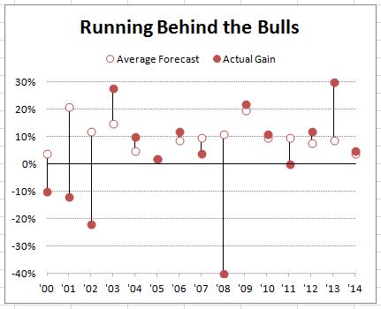
Year | Average Forecast | Actual Gain | Your Final Chart Should Look Like This:
2000-01-01 | 4% | -10%
2001-01-01 | 21% | -12%
2002-01-01 | 12% | -22%
2003-01-01 | 15% | 28%
2004-01-01 | 5% | 10%
2005-01-01 | 2% | 2%
2006-01-01 | 9% | 12%
2007-01-01 | 10% | 4%
2008-01-01 | 11% | -40%
2009-01-01 | 20% | 22%
2010-01-01 | 10% | 11%
2011-01-01 | 10% | 0%
2012-01-01 | 8% | 12%
2013-01-01 | 9% | 30%
2014-01-01 | 4% | 5%

