Original Chart
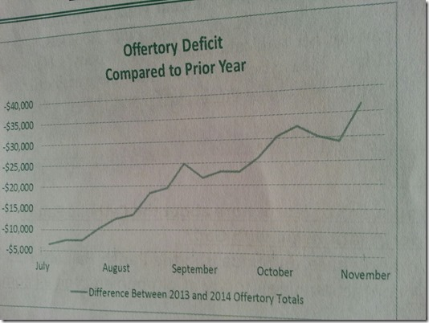

Absolute Value
Golf Score
Date | Player 1 | Player 2 | Player 1 | Player 2
2014-07-06 | -19 | -9 | 19 | 9
2014-07-13 | -9 | -9 | 9 | 9
2014-07-20 | -19 | -7 | 19 | 7
2014-07-27 | -2 | -14 | 2 | 14
2014-08-03 | -12 | -13 | 12 | 13
2014-08-10 | -18 | -16 | 18 | 16
2014-08-17 | -14 | -18 | 14 | 18
2014-08-24 | -15 | -5 | 15 | 5
2014-08-31 | -9 | -1 | 9 | 1

Reverse Axis
Golf Scores
Date | Player 1 | Player 2
2014-07-06 | -19 | -9
2014-07-13 | -9 | -9
2014-07-20 | -19 | -7
2014-07-27 | -2 | -14
2014-08-03 | -12 | -13
2014-08-10 | -18 | -16
2014-08-17 | -14 | -18
2014-08-24 | -15 | -5
2014-08-31 | -9 | -1

